Sheet1
Byte # | Mask | Bit |  |  |  |  |  |  |  | Digit | Segment
14 | 80 | 1 | 0 | 0 | 0 | 0 | 0 | 0 | 0 | 9 | d
 | 40 | 0 | 1 | 0 | 0 | 0 | 0 | 0 | 0 | 9 | b
 | 20 | 0 | 0 | 1 | 0 | 0 | 0 | 0 | 0 | 9 | c
 | 10 | 0 | 0 | 0 | 1 | 0 | 0 | 0 | 0 | 9 | a
 | 8 | 0 | 0 | 0 | 0 | 1 | 0 | 0 | 0
 | 4 | 0 | 0 | 0 | 0 | 0 | 1 | 0 | 0
 | 2 | 0 | 0 | 0 | 0 | 0 | 0 | 1 | 0
 | 1 | 0 | 0 | 0 | 0 | 0 | 0 | 0 | 1
13 | 80 | 1 | 0 | 0 | 0 | 0 | 0 | 0 | 0 | 8 | d
 | 40 | 0 | 1 | 0 | 0 | 0 | 0 | 0 | 0 | 8 | b
 | 20 | 0 | 0 | 1 | 0 | 0 | 0 | 0 | 0 | 8 | c
 | 10 | 0 | 0 | 0 | 1 | 0 | 0 | 0 | 0 | 8 | a
 | 8 | 0 | 0 | 0 | 0 | 1 | 0 | 0 | 0 | 9 | e
 | 4 | 0 | 0 | 0 | 0 | 0 | 1 | 0 | 0 | 9 | f
 | 2 | 0 | 0 | 0 | 0 | 0 | 0 | 1 | 0 | 9 | g
 | 1 | 0 | 0 | 0 | 0 | 0 | 0 | 0 | 1 | 3 | e
12 | 80 | 1 | 0 | 0 | 0 | 0 | 0 | 0 | 0 | 7 | d
 | 40 | 0 | 1 | 0 | 0 | 0 | 0 | 0 | 0 | 7 | b
 | 20 | 0 | 0 | 1 | 0 | 0 | 0 | 0 | 0 | 7 | c
 | 10 | 0 | 0 | 0 | 1 | 0 | 0 | 0 | 0 | 7 | a
 | 8 | 0 | 0 | 0 | 0 | 1 | 0 | 0 | 0 | 8 | e
 | 4 | 0 | 0 | 0 | 0 | 0 | 1 | 0 | 0 | 8 | f
 | 2 | 0 | 0 | 0 | 0 | 0 | 0 | 1 | 0 | 8 | g
 | 1 | 0 | 0 | 0 | 0 | 0 | 0 | 0 | 1 | dp lcd2
11 | 80 | 1 | 0 | 0 | 0 | 0 | 0 | 0 | 0 | 6 | d
 | 40 | 0 | 1 | 0 | 0 | 0 | 0 | 0 | 0 | 6 | b
 | 20 | 0 | 0 | 1 | 0 | 0 | 0 | 0 | 0 | 6 | c
 | 10 | 0 | 0 | 0 | 1 | 0 | 0 | 0 | 0 | 6 | a
 | 8 | 0 | 0 | 0 | 0 | 1 | 0 | 0 | 0 | 7 | e
 | 4 | 0 | 0 | 0 | 0 | 0 | 1 | 0 | 0 | 7 | f
 | 2 | 0 | 0 | 0 | 0 | 0 | 0 | 1 | 0 | 7 | g
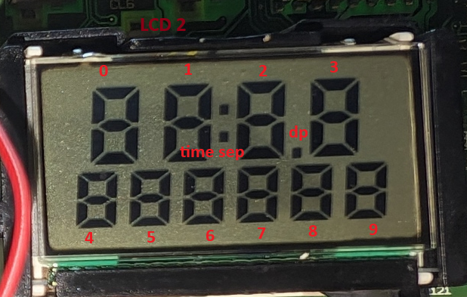
 | 1 | 0 | 0 | 0 | 0 | 0 | 0 | 0 | 1 | 2 | e
10 | 80 | 1 | 0 | 0 | 0 | 0 | 0 | 0 | 0 | 5 | d
 | 40 | 0 | 1 | 0 | 0 | 0 | 0 | 0 | 0 | 5 | b
 | 20 | 0 | 0 | 1 | 0 | 0 | 0 | 0 | 0 | 5 | c
 | 10 | 0 | 0 | 0 | 1 | 0 | 0 | 0 | 0 | 5 | a
 | 8 | 0 | 0 | 0 | 0 | 1 | 0 | 0 | 0 | 6 | e
 | 4 | 0 | 0 | 0 | 0 | 0 | 1 | 0 | 0 | 6 | f
 | 2 | 0 | 0 | 0 | 0 | 0 | 0 | 1 | 0 | 6 | g
 | 1 | 0 | 0 | 0 | 0 | 0 | 0 | 0 | 1 | time sep
9 | 80 | 1 | 0 | 0 | 0 | 0 | 0 | 0 | 0 | 4 | d
 | 40 | 0 | 1 | 0 | 0 | 0 | 0 | 0 | 0 | 4 | b
 | 20 | 0 | 0 | 1 | 0 | 0 | 0 | 0 | 0 | 4 | c
 | 10 | 0 | 0 | 0 | 1 | 0 | 0 | 0 | 0 | 4 | a
 | 8 | 0 | 0 | 0 | 0 | 1 | 0 | 0 | 0 | 5 | e
 | 4 | 0 | 0 | 0 | 0 | 0 | 1 | 0 | 0 | 5 | f
 | 2 | 0 | 0 | 0 | 0 | 0 | 0 | 1 | 0 | 5 | g
 | 1 | 0 | 0 | 0 | 0 | 0 | 0 | 0 | 1 | 1 | e
8 | 80 | 1 | 0 | 0 | 0 | 0 | 0 | 0 | 0 | 3 | f
 | 40 | 0 | 1 | 0 | 0 | 0 | 0 | 0 | 0 | 3 | g
 | 20 | 0 | 0 | 1 | 0 | 0 | 0 | 0 | 0 | 0 | f
 | 10 | 0 | 0 | 0 | 1 | 0 | 0 | 0 | 0 | 0 | g
 | 8 | 0 | 0 | 0 | 0 | 1 | 0 | 0 | 0 | 4 | e
 | 4 | 0 | 0 | 0 | 0 | 0 | 1 | 0 | 0 | 4 | f
 | 2 | 0 | 0 | 0 | 0 | 0 | 0 | 1 | 0 | 4 | g
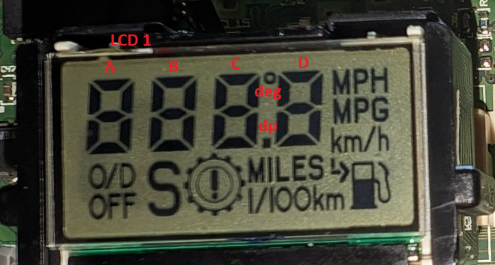
 | 1 | 0 | 0 | 0 | 0 | 0 | 0 | 0 | 1 | 0 | e
7 | 80 | 1 | 0 | 0 | 0 | 0 | 0 | 0 | 0 | 1 | f
 | 40 | 0 | 1 | 0 | 0 | 0 | 0 | 0 | 0 | 1 | g
 | 20 | 0 | 0 | 1 | 0 | 0 | 0 | 0 | 0 | 2 | f
 | 10 | 0 | 0 | 0 | 1 | 0 | 0 | 0 | 0 | 2 | g
 | 8 | 0 | 0 | 0 | 0 | 1 | 0 | 0 | 0 | 0 | a
 | 4 | 0 | 0 | 0 | 0 | 0 | 1 | 0 | 0 | 0 | b
 | 2 | 0 | 0 | 0 | 0 | 0 | 0 | 1 | 0 | 0 | c
 | 1 | 0 | 0 | 0 | 0 | 0 | 0 | 0 | 1 | 0 | d
6 | 80 | 1 | 0 | 0 | 0 | 0 | 0 | 0 | 0 | 2 | a
 | 40 | 0 | 1 | 0 | 0 | 0 | 0 | 0 | 0 | 2 | b
 | 20 | 0 | 0 | 1 | 0 | 0 | 0 | 0 | 0 | 2 | c
 | 10 | 0 | 0 | 0 | 1 | 0 | 0 | 0 | 0 | 2 | d
 | 8 | 0 | 0 | 0 | 0 | 1 | 0 | 0 | 0 | 1 | a
 | 4 | 0 | 0 | 0 | 0 | 0 | 1 | 0 | 0 | 1 | b
 | 2 | 0 | 0 | 0 | 0 | 0 | 0 | 1 | 0 | 1 | c
 | 1 | 0 | 0 | 0 | 0 | 0 | 0 | 0 | 1 | 1 | d
5 | 80 | 1 | 0 | 0 | 0 | 0 | 0 | 0 | 0 | A | f
 | 40 | 0 | 1 | 0 | 0 | 0 | 0 | 0 | 0 | A | e
 | 20 | 0 | 0 | 1 | 0 | 0 | 0 | 0 | 0 | A | g
 | 10 | 0 | 0 | 0 | 1 | 0 | 0 | 0 | 0 | A | d
 | 8 | 0 | 0 | 0 | 0 | 1 | 0 | 0 | 0 | 3 | a
 | 4 | 0 | 0 | 0 | 0 | 0 | 1 | 0 | 0 | 3 | b
 | 2 | 0 | 0 | 0 | 0 | 0 | 0 | 1 | 0 | 3 | c
 | 1 | 0 | 0 | 0 | 0 | 0 | 0 | 0 | 1 | 3 | d
4 | 80 | 1 | 0 | 0 | 0 | 0 | 0 | 0 | 0 | C | f
 | 40 | 0 | 1 | 0 | 0 | 0 | 0 | 0 | 0 | C | e
 | 20 | 0 | 0 | 1 | 0 | 0 | 0 | 0 | 0 | C | g
 | 10 | 0 | 0 | 0 | 1 | 0 | 0 | 0 | 0 | C | d
 | 8 | 0 | 0 | 0 | 0 | 1 | 0 | 0 | 0 | B | f
 | 4 | 0 | 0 | 0 | 0 | 0 | 1 | 0 | 0 | B | e
 | 2 | 0 | 0 | 0 | 0 | 0 | 0 | 1 | 0 | B | g
 | 1 | 0 | 0 | 0 | 0 | 0 | 0 | 0 | 1 | B | d
3 | 80 | 1 | 0 | 0 | 0 | 0 | 0 | 0 | 0 | D | f
 | 40 | 0 | 1 | 0 | 0 | 0 | 0 | 0 | 0 | D | e
 | 20 | 0 | 0 | 1 | 0 | 0 | 0 | 0 | 0 | D | g
 | 10 | 0 | 0 | 0 | 1 | 0 | 0 | 0 | 0 | D | d
 | 8 | 0 | 0 | 0 | 0 | 1 | 0 | 0 | 0 | deg
 | 4 | 0 | 0 | 0 | 0 | 0 | 1 | 0 | 0
 | 2 | 0 | 0 | 0 | 0 | 0 | 0 | 1 | 0 | dp lcd1
 | 1 | 0 | 0 | 0 | 0 | 0 | 0 | 0 | 1
2 | 80 | 1 | 0 | 0 | 0 | 0 | 0 | 0 | 0 | L/100km
 | 40 | 0 | 1 | 0 | 0 | 0 | 0 | 0 | 0 | fuel pump
 | 20 | 0 | 0 | 1 | 0 | 0 | 0 | 0 | 0 | fuel pump '
 | 10 | 0 | 0 | 0 | 1 | 0 | 0 | 0 | 0
 | 8 | 0 | 0 | 0 | 0 | 1 | 0 | 0 | 0 | MPH
 | 4 | 0 | 0 | 0 | 0 | 0 | 1 | 0 | 0 | /h (part of km/h)
 | 2 | 0 | 0 | 0 | 0 | 0 | 0 | 1 | 0 | MPG
 | 1 | 0 | 0 | 0 | 0 | 0 | 0 | 0 | 1 | km
1 | 80 | 1 | 0 | 0 | 0 | 0 | 0 | 0 | 0 | C | a
 | 40 | 0 | 1 | 0 | 0 | 0 | 0 | 0 | 0 | C | c
 | 20 | 0 | 0 | 1 | 0 | 0 | 0 | 0 | 0 | C | b
 | 10 | 0 | 0 | 0 | 1 | 0 | 0 | 0 | 0 | warning wheel !
 | 8 | 0 | 0 | 0 | 0 | 1 | 0 | 0 | 0 | D | a
 | 4 | 0 | 0 | 0 | 0 | 0 | 1 | 0 | 0 | D | c
 | 2 | 0 | 0 | 0 | 0 | 0 | 0 | 1 | 0 | D | b
 | 1 | 0 | 0 | 0 | 0 | 0 | 0 | 0 | 1 | MILES
0 | 80 | 1 | 0 | 0 | 0 | 0 | 0 | 0 | 0 | A | a
 | 40 | 0 | 1 | 0 | 0 | 0 | 0 | 0 | 0 | A | c
 | 20 | 0 | 0 | 1 | 0 | 0 | 0 | 0 | 0 | A | b
 | 10 | 0 | 0 | 0 | 1 | 0 | 0 | 0 | 0 | O/D OFF
 | 8 | 0 | 0 | 0 | 0 | 1 | 0 | 0 | 0 | B | a
 | 4 | 0 | 0 | 0 | 0 | 0 | 1 | 0 | 0 | B | c
 | 2 | 0 | 0 | 0 | 0 | 0 | 0 | 1 | 0 | B | b
 | 1 | 0 | 0 | 0 | 0 | 0 | 0 | 0 | 1 | S

